Fig. 4e
WB bands and grayscale values of target genes and reference genes in the ileum samples of same age LY and JH

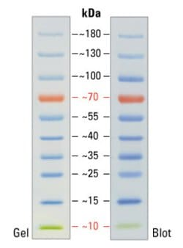
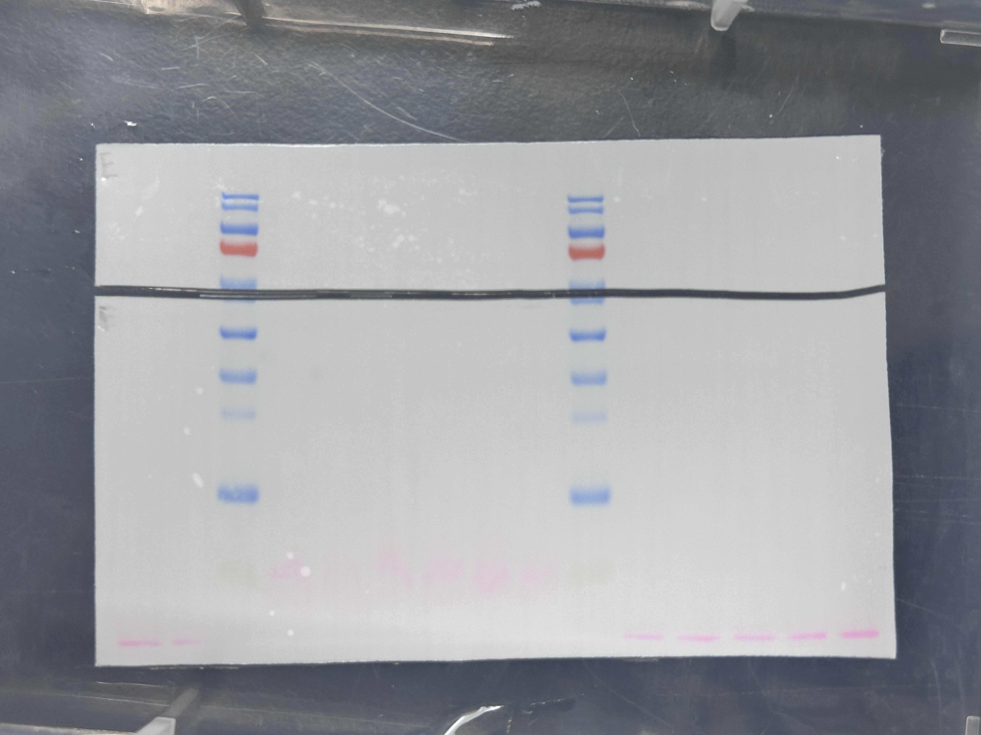
 |  | ACTB | PCK1
LY | A1 | 44128 | 33517
 | A2 | 33979 | 29300
 | A3 | 29253 | 29541
JH | B1 | 20690 | 33522
 | B2 | 21029 | 33584
 | B3 | 18501 | 31624

ACTB
 |  | PCK1
LY | A1 | 0.75953878193
 | A2 | 0.86230865527
 | A3 | 1.0098613445
JH | B1 | 1.6201931895
 | B2 | 1.5970344623
 | B3 | 1.7093182173

 |  | PCK1
LY | Mean | 0.87723626057
PCK1
 |  | PCK1
LY | A1 | 0.86583149382
 | A2 | 0.98298336951
 | A3 | 1.1511851367
JH | B1 | 1.846929114
 | B2 | 1.8205294675
 | B3 | 1.9485266331

F.test | LYvsJH | 0.36331604635
T.test | LYvsJH | 0.00067820267754

